Project Main Screen
SC_project_main - PROJECT MAIN SCREEN

Database 1 : |  | PROJECT |  | Actions : | Double Click on a field, open edit screen
Linked databases : |  | CUSTOMER (ZONE, AGENT) |  |  | Click on NEW button : create new record, add a new id_project, and open edit screen
 |  | PROJECT STATUS |  |  | Head of the tables allow to filter and sort information

 | The information shown on this screen is filtered according to user access level

* SC_project_main

PROJECT
Id. Project ________ (U/I)
id_factory ___
Id_Customer ________
pj_description ___________________
pj_date __/__/__
id_pj_status ___
pj_act_1 __ (Y/N)
pj_act_2 __ (Y/N)
pj_act_3 __ (Y/N)
pj_act_4 __ (Y/N)
pj_act_5 __ (Y/N)
pj_act_6 __ (Y/N)
pj_act_7 __ (Y/N)
pj_act_8 __ (Y/N)
pj_act_9 __ (Y/N)
pj_act_10 __ (Y/N)
 |  | CREATE NEW PROJECT

D
WC
 | PROJECT | DESCRIPTION | CUSTOMER |  | AGENT | ZONE | DATE | STATUS | ACTION
 | id_project | pj_description | id_customer | cs_name (id_customer) | ag_description (id_customer / id_agent) | z_code (id_customer / id_agent / id_zone) | pj_date | pj_stat_desc (id_pj_status) | pj_act_(1 to 10)
 | PJ-1023 | Unisforms 2016 | CS-230 | FC Dragons | Mekong 'NTO | VN | 2015-12-20 | In Process
 | PJ-1024 | Polo Coach 2016 | CS-422 | SSIS | Traval Vai | VN | 2015-12-21 | Cancel
 | PJ-1025 | Conjunts Campus | CS-674 | Elite Jove | Tex Invest | BCN | 2015-12-22 | On Production
D
U
 | PJ-1026 | Equipacions 2016 | CS-479 | AE Minguella | Tex Invest | BCN | 2015-12-23 | In Process
SC
 | PJ-1027 | Xandalls I Dessuadores | CS-924 | CB Amics | Castello | BCN | 2015-12-24 | In Process
 | PJ-1028 | Equipaciones Atletismo | CS-104 | Canal Isablel II | Zymetric | BCN | 2015-12-25 | On Production

 | Fields editable directly on the table : pj_description , pj_date

Project Edit Screen
 | SC_project_edit - PROJECT EDIT SCREEN

 | Database 1 : |  | PROJECT |  |  |  | Actions : | Head of the tables allow to filter and sort information
 | Linked databases : |  | CUSTOMER (ZONE, AGENT) |  |  |  |  | When click on a picture : Enlarge on a Pop Up
 |  |  | PROJECT STATUS

 | Database 2 : |  | PRODUCT (Filtred by id_project) |  |  |  | Actions : | Head of the tables allow to filter and sort information
 | Linked databases : |  | COSTING / COSTING VERSIONS |  |  |  |  | When click on a picture : Enlarge on a Pop Up
 |  |  | PRODUCT STATUS

 | Database 3 : |  | PROJECT COMMENTS (Filtred by id_project) |  |  |  | Actions : | NEW COMMENT : Creates a new line and Open SC_project_comment Pop Up
 | Linked databases : |  | USERS |  |  |  |  | When mouse pass over COMMENT field a pop up window shows all the text of the comment
 |  |  |  |  |  |  |  | Autosave date pj_com_date

 | * SC_project_edit
PROJECT
Id. Project ________ (U/I)
id_factory___
Id_Customer ________
pj_description ___________________
pj_date __/__/__
id_pj_status ___
pj_act_1 __ (Y/N)
pj_act_2 __ (Y/N)
pj_act_3 __ (Y/N)
pj_act_4 __ (Y/N)
pj_act_5 __ (Y/N)
pj_act_6 __ (Y/N)
pj_act_7 __ (Y/N)
pj_act_8 __ (Y/N)
pj_act_9 __ (Y/N)
pj_act_10 __ (Y/N)
PROJECT : id_project ZONE : z_description DATE : pj_date
DESCRIPTION : pj_description AGENT : ag_description STATUS : pj_stat_desc (id_pj_status)
CUSTOMER : cs_name (id_customer ) CITY : cs_city
 | #1

ACTIONS
------------------------------------------------------------
Waiting for design : pj_act_1 __ (Y/N)
Urgent : pj_act_2 __ (Y/N)
Very Urgent : pj_act_3 __ (Y/N)
Sent to Commercial : pj_act_4 __ (Y/N)
Sent to Customer : pj_act_5 __ (Y/N)
Sent to design : pj_act_6 __ (Y/N)
Waiting for Comments : pj_act_7 __ (Y/N)
Not defined : pj_act_8 __ (Y/N)
Not defined : pj_act_9 __ (Y/N)
 |  | * SC_project_product (Similar SC_product_main_txt-img)
 |  | PRODUCT | GARMENT CODE | VERSION | COST CODE | COST CODE VERS. | DESCRIPTION | STATUS | SKETCH
 | #2 | id_product | "id_pj - id_patt - id_patt_var" | pr_version | cost_code (id_cost) | cv_version (id_cost_version) | pr_description | pr_stat_desc (id_pr_status) | pr_sketch

PROJECT COMMENTS
Id_pj_Comment ________ (U/I)
Id_Project ________ (L)
pj_com_comment _______________
id_user _____
pj_com_date __/__/__ - __:__
 |  | LIST OF PRODUCTS LINKED TO THIS PROJECT (informaton got from PRODUCT database, Filter by id_project)

* SC_project_comment _edit
COMMENT EDIT - Pop Up
--------------------------------------------------------------------------------------------------
Nova versió:
- Posar numero al devant
--------------------------------------------------------------------------------------------------
SAVE QUIT
 |  | * SC_project_comment
 |  | DATE | USER | COMMENT
 | #3 | pj_com_date | user_name (id_user) | pj_com_comment
 |  | 15/1/16 16:25 | Gemma | Nova versió: - Posar numero al devant
 |  | 14/1/16 8:02 | Xevi | Versio 5 al Drive
 |  | 10/1/16 17:25 | Gemma | Nova versió: - Posar numero al devant
 |  | NEW COMMENT

1. Mockup - Project Information - Product List View (M1)
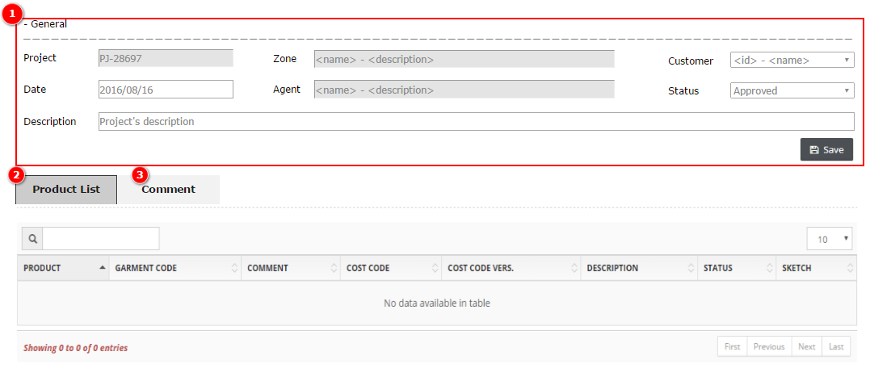

2. Mockup - Project Information - Comment View (M2) |  |  |  |  |  |  |  |  |  |  |  | Components
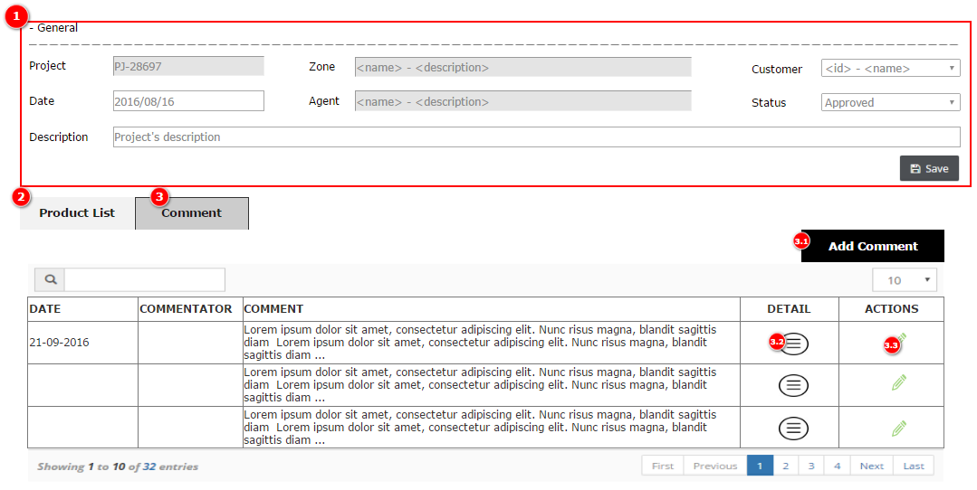

 |  | 2.1. Mockup - Add/Edit Comment Screen (M2.1) |  |  |  |  |  |  | Components
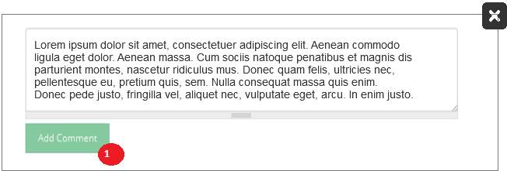
 |  |  |  |  |  |  |  |  | Component | Type | Description
 |  |  |  |  |  |  |  |  | 1 | Button | Click to Add/Edit being chosen comment and closed the window

 |  | 2.2. Mockup - Detail Comment Screen (M2.2)

Project Edit Screen (sample)
SC_project_edit - PROJECT EDIT SCREEN

Database 1 : |  | PROJECT |  |  |  | Actions : | Head of the tables allow to filter and sort information
Linked databases : |  | CUSTOMER (ZONE, AGENT) |  |  |  |  | When click on a picture : Enlarge on a Pop Up
 |  | PROJECT STATUS

Database 2 : |  | PRODUCT (Filtred by id_project) |  |  |  | Actions : | Head of the tables allow to filter and sort information
Linked databases : |  | COSTING / COSTING VERSIONS |  |  |  |  | When click on a picture : Enlarge on a Pop Up
 |  | PRODUCT STATUS

Database 3 : |  | PROJECT COMMENTS (Filtred by id_project) |  |  |  | Actions : | NEW COMMENT : Creates a new line and Open SC_project_comment Pop Up
Linked databases : |  | USERS |  |  |  |  | When mouse pass over COMMENT field a pop up window shows all the text of the comment
 |  |  |  |  |  |  | Autosave date pj_com_date

* SC_project_edit
PROJECT
Id. Project ________ (U/I)
id_factory ____
Id_Customer ________
pj_description _________________
pj_date __/__/__
id_pj_status ___
pj_act_1 __ (Y/N)
pj_act_2 __ (Y/N)
pj_act_3 __ (Y/N)
pj_act_4 __ (Y/N)
pj_act_5 __ (Y/N)
pj_act_6 __ (Y/N)
pj_act_7 __ (Y/N)
pj_act_8 __ (Y/N)
pj_act_9 __ (Y/N)
pj_act_10 __ (Y/N)
PROJECT : 1026 ZONE : Spain DATE : 23/12/15
DESCRIPTION : Equipacions 2016 AGENT : Tex Invest STATUS : In Process
CUSTOMER : AE Minguella CITY : Badalona
#1

ACTIONS
---------------------------------------------
Waiting for design : YES
Urgent : YES
Very Urgent : NO
Sent to Commercial : NO
Sent to Customer : NO
Sent to design : NO
Waiting for Comments : NO
Not defined : NO
Not defined : NO
 | * SC_project_product (Similar SC_product_main_txt-img)
 | PRODUCT | GARMENT CODE | VERSION | COST CODE | COST CODE VERS. | DESCRIPTION | STATUS | SKETCH
#2 | id_product | "id_pj - id_patt - id_patt_var" | pr_version | cost_code (id_cost) | cv_version (id_cost_version) | pr_description | pr_stat_desc (id_pr_status) | pr_sketch
 | PR-23838 | 0235-0040-SP | 1 | PSB | 2 | Pantal'o Joc | Approved
PROJECT COMMENTS
Id_pj_Comment ________ (U/I)
Id_Project ________ (L)
pj_com_comment _______________
id_user _____
pj_com_date __/__/__ - __:__
 | PR-23839 | 0235-0040-VT | 6 | SG | 3 | Camiseta 2a | Approved
 | PR-23840 | 0235-0040-VT | 8 | SG | 3 | Camiseta 1a | Approved
 | LIST OF PRODUCTS LINKED TO THIS PROJECT (informaton got from PRODUCT database, Filter by id_project)

* SC_project_comment _edit
COMMENT EDIT - Pop Up
--------------------------------------------------------------------------------------------------
Nova versió:
- Posar numero al devant
--------------------------------------------------------------------------------------------------
SAVE QUIT
 | * SC_project_comment
 | DATE | USER | COMMENT
#3 | pj_com_date | user_name (id_user) | pj_com_comment
 | 15/1/16 16:25 | Gemma | Nova versió: - Posar numero al devant
 | 14/1/16 8:02 | Xevi | Versio 5 al Drive
 | 10/1/16 17:25 | Gemma | Nova versió: - Posar numero al devant
 | NEW COMMENT

PJ.STATUS Main Screen
SC_project_status - PROJECT STATUS MAIN SCREEN

Main Database : |  | PROJECT STATUS | Actions : | NEW : Create new record, open edit popo up
Linked databases : |  |  |  | When click on a field open EDIT screen (Pop Up)
 |  |  |  | When DELETE a field, first check if this Id_pj_Status is being used . If so don't allow to delete.

* SC_project_status
PROJECT STATUS
Id_pj_Status ___ (U/I)
id_factory ___
pj_stat_desc __________
 |  | NEW
 | CODE
 | pj_stat_desc
* SC_project_status_edit
PROJECT STATUS- EDIT (Pop Up)
--------------------------------------------------
CODE : pj_stat_desc
--------------------------------------------------
SAVE QUIT
 | In process
 | Cancel
 | On Production

